Doeswijk, Lam, Swinkels (2014)
When you use this data, please cite:
Doeswijk, R., Lam, T., and Swinkels, L., 2014, "The Global Multi-Asset Market Portfolio, 1959–2012", Financial Analysts Journal 70(2), pp. 26-41.
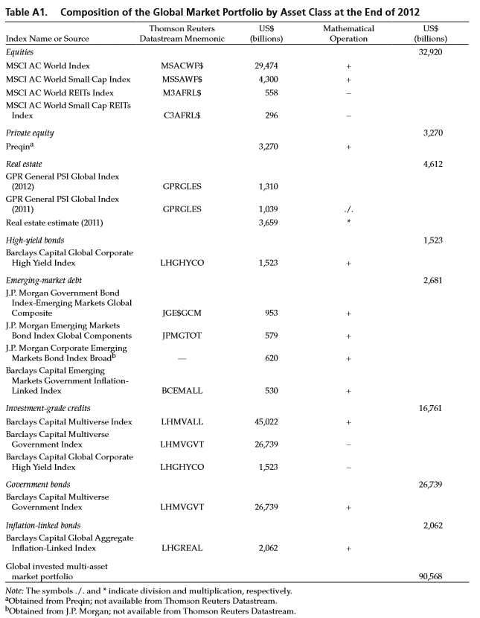
Table A1. Composition of the Global Market Portfolio by Asset Class (updated)
 | Thomson Returns | 2012 | 2013 | 2014 | 2015
Index name or source | Datastream Mnemonic | US$ bn | US$ bn | US$ bn | US$ bn
Equities |  | 32,920 | 40,302 | 41,379 | 39,986
MSCI AC World Index | MSACWF$ | 29,474 | 35,739 | 36,893 | 35,723
MSCI World Small Cap Index | MSSAWF$ | 4,300 | 5,522 | 5,717 | 5,540
MSCI World REITs Index | M3AFRL$ | 558 | 590 | 761 | 803
MSCI World Small Cap REITs Index | C3AFRL$ | 296 | 370 | 471 | 474

Private equity |  | 3,270 | 3,620 | 3,972 | 4,165
Prequin* | - | 3,270 | 3,620 | 3,972 | 4,165

Real estate |  | 4,612 | 5,277 | 6,078 | 6,123
GPR General PSI Global Index (t) | GPRGLES | 1,310 | 1,498 | 1,726 | 1,739
GPR General PSI Global Index (t-1) | GPRGLES | 1,039 | 1,310 | 1,498 | 1,726
Real estate estimate (t-1) | - | 3,659 | 4,612 | 5,277 | 6,078

High yield bonds |  | 1,523 | 1,827 | 1,897 | 1,715
Barclays Capital Global Corporate High Yield Index | LHGHYCO | 1,523 | 1,827 | 1,897 | 1,715

Emerging debt |  | 2,682 | 2,717 | 2,866 | 2,637
J.P. Morgan Government Bond Index - Emerging Markets Global Composite | JGE$GCM | 953 | 930 | 941 | 793
J.P. Morgan Emerging Markets Bond Index Global Components | JPMGTOT | 579 | 586 | 651 | 672
J.P. Morgan Corporate Emerging Markets Bond Index Broad | - | 620 | 716 | 792 | 788
Barclays Capital Emerging Markets Government Inflation-Linked Index | BCEMALL | 530 | 485 | 483 | 383

Investment grade credits |  | 16,761 | 17,030 | 17,516 | 17,581
Barclays Capital Multiverse Index | LHMVALL | 45,022 | 44,813 | 46,225 | 45,684
Barclays Capital Multiverse Government Index | LHMVGVT | 26,739 | 25,956 | 26,812 | 26,387
Barclays Captial Global Corporate High Yield Index | LHGHYCO | 1,523 | 1,827 | 1,897 | 1,715

Government bonds |  | 26,739 | 25,956 | 26,812 | 26,387
Barclays Capital Multiverse Government Index | LHMVGVT | 26,739 | 25,956 | 26,812 | 26,387

Inflation-linked bonds |  | 2,062 | 2,131 | 2,388 | 2,364
Barclays Capital Global Aggregate Inflation-Linked Index | LHGREAL | 2,062 | 2,131 | 2,388 | 2,364

Global invested Multi-asset market portfolio |  | 90,568 | 98,859 | 102,907 | 100,959

* Source: 2016 Preqin Global Private Equity & Venture Capital Report (2015 number for June instead of December)

